Sheet 1
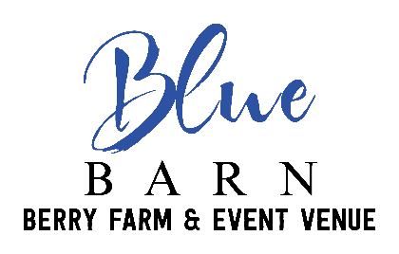
 | BAR CALCULATOR
 | Enter Hours of Reception in Red Box: |  |  | 5
 | All bar selections vary from group to group ~ It is wise to make adjustments based on the guests of the event.

 | 50 Guests | 100 Guests | 150 Guests | 200 Guests | 250 Guests
 | Beer Bottles
Domestic Regular | 40 | 75 | 100 | 140 | 175
Domestic Lite | 75 | 112.5 | 150 | 200 | 250
Import | 40 | 90 | 120 | 160 | 200
Seltzers (optional) | 16.25 | 30 | 55 | 75 | 95
Total Beer Drinks | 155 | 277.5 | 370 | 500 | 625
 | Tip: Full Size (1/2 Barrel Keg) = 160 drinks

 | 50 Guests | 100 Guests | 150 Guests | 200 Guests | 250 Guests
 | Wine Bottles
White | 2 | 4.25 | 5 | 6.5 | 9
Red | 2.25 | 3.5 | 4.5 | 6.5 | 8.5
Sweet/Semi-sweet | 3.25 | 4.25 | 4.5 | 5.5 | 8.5
Blue Barn House Sangria | 5.5 | 8 | 15 | 17 | 25
Total Wine Bottles | 13 | 20 | 29 | 35.5 | 51

 |  |  | Soda Cans
Sprite | 5 | 7.5 | 11.25 | 15 | 18.75
Diet Soda | 7.5 | 15 | 22.5 | 30 | 37.5
Regular Soda | 7.5 | 15 | 22.5 | 30 | 37.5
Total Cases | 1.6666666667 | 3.125 | 4.6875 | 6.25 | 7.8125

Bottled Water (12 oz) | 30 | 60 | 90 | 120 | 150

